Compose Mail Scenario
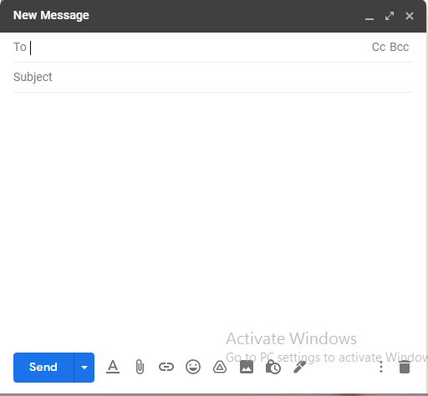
Sr.No | Scenario Types | Test Scenario | Test Scenario Id
1 | Positive Scenarios | Verify Functionality of Compose mail button | TS01
2 |  | verify functionality of 'To' Field. | TS02
3 |  | verify functionality of 'CC' Field. | TS03
4 |  | verify functionality of 'BCC' Field. | TS04
5 |  | verify functionality of 'Subject' Field. | TS05
6 |  | verify user is able to minimize popup window | TS06
7 |  | verify user is able to maximize popup window | TS07
8 |  | verify user is able to close popup window | TS08
9 |  | Verify user able to give input in body field. | TS09
10 |  | Verify user able to access Formating options | TS10
11 |  | Verify user should be able to Attach Files | TS11
12 |  | Verify user should be able to insert link. | TS12
13 |  | Verify user should be able to insert Emoji. | TS13
14 |  | Verify user should be able to insert file using Drive. | TS15
15 |  | Verify user should be able to insert Photo. | TS16
16 |  | verify user should be able to use Toggle Confidential Mode. | TS17
17 |  | verify user should be able to insert signature. | TS18
18 |  | Verify user should be able to select More options | TS19
19 |  | Verify user should be able to discard draft | TS20
20 |  | Verify functionality of Send button | TS21
21 | Negative Scenario | Verify user get warning message if user keeps To field empty. | TS22
22 | GUI | Verify Fonts, Color, Text Size, Images as per SRS | TS23

